AL Locals
State | Form | Page | Description of where | logic | notes
AL | AL Alabaster | 2 | Cell intersecting Other Allowable Deductions and Total Deductions under the Standard Deduction Table | different logic (cell intersecting) |  | does this rule apply for AL Alabaster TR? | Yes
AL | AL Anniston | 2 | Cell intersecting Other Allowable Deductions (Explain) column & Total Deduction row | different logic (cell intersecting)
AL | AL Auburn | 2 | Cell intersecting Other Allowable Deductions and Total Deductions under the Standard Deduction Table | different logic (cell intersecting)
AL | AL Baldwin | Input | Other Allowable Deductions Column to the right side of the tab | other different logic (lot of values in the same column but same names in each row) |  | The sum of Other Allowable Deductions must be equal to 0?
AL | AL Birmingham | Input | Other Allowable Deductions Column to the right side of the tab | other different logic (lot of values in the same column)
AL | AL Cullman | 2 | Cell intersecting Other Allowable Deductions and Total Deductions under the Standard Deduction Table | different logic (cell intersecting)
AL | AL Daphne | 2 | Cell intersecting Other Allowable Deductions and Other | different logic (cell intersecting) |  | The value must be equal to 0
AL | AL Foley | 2 | Other Allowable Deduction Column under the Standard Deduction Summary Table | other different logic (lot of values in the same column)
AL | AL Gulf Shores | 2 | Cell intersecting Other Allowable Deductions and Total Deductions under the Standard Deduction Table | different logic (cell intersecting)
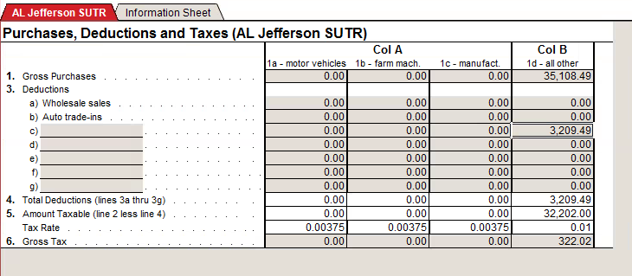
AL | AL Helena | 2 | Cell intersecting Other Allowable Deductions and Total Deductions under the Standard Deduction Table | different logic (cell intersecting)
AL | AL Hoover | 2 | Cell intersecting Other Allowable Deductions and Total Deductions under the Standard Deduction Table | different logic (cell intersecting)
AL | AL Hueytown | 2 | Cell intersecting Other Allowable Deductions and Total Deductions under the Standard Deduction Table | different logic (cell intersecting)
AL | AL Huntsville | 2 | Cell intersecting Other Allowable Deductions and Total Deductions under the Standard Deduction Table | different logic (cell intersecting)
AL | AL Jefferson County | Input | Sum of Other 1, Other 2, and Other 3 columns on the right end of the table | different logic (cell intersecting) | must get values of a table
AL | AL Jefferson SU Spec | Purchases | Col B, Row C. | different logic (cell intersecting without word for regex) |  | does this rule apply for AL Jefferson CU Spec and AL Jefferson SA Spec?
AL | AL Jefferson SUTR | Purchases | Col B, Row C | different logic (cell intersecting without word for regex) |  | What value do we need to compare to?
AL | AL Madison SUR | Deductions | Cell intersecting Other Allowable Deductions and Total Deductions under the Standard Deduction Table | different logic (cell intersecting)
AL | AL Mobile 12 | 2 | Summary of Deductions Table, Row K | different logic (out of screen. Is possible with screen scraping)
AL | AL Montgomery | 2 | Cell intersecting Other Allowable Deductions and Total Deductions under the Standard Deduction Table | different logic (cell intersecting)
AL | AL Montgomery County | Input | Other Allowable Deductions Column to the right side of the tab | other different logic (lot of values in the same column but same names in each row)
AL | AL Mountain Brook | 2 | Cell intersecting Other Allowable Deductions and Total Deductions under the Standard Deduction Table | different logic (cell intersecting)
AL | AL Northport | 2 | Cell intersecting Other Allowable Deductions and Total Deductions under the Standard Deduction Table | different logic (cell intersecting)
AL | AL Orange Beach | 2 | Cell intersecting Other Allowable Deductions and Total Deductions under the Standard Deduction Table | different logic (cell intersecting)
AL | AL Pelham | 2 | Cell intersecting Other Allowable Deductions and Total Deductions under the Standard Deduction Table | different logic (cell intersecting)
AL | AL Pell | 2 | Cell intersecting Other Allowable Deductions and Total Deductions under the Standard Deduction Table | different logic (cell intersecting)
AL | AL Piedmont | 2 | Cell intersecting Other Allowable Deductions and Total Deductions under the Standard Deduction Table | different logic (cell intersecting)
AL | AL Prattvile | 2 | Cell intersecting Other Allowable Deductions and Total Deductions under the Standard Deduction Table | different logic (cell intersecting)
AL | AL Robertsdale | 2 | Cell intersecting Other Allowable Deductions and Total Deductions under the Standard Deduction Table | different logic (cell intersecting)
AL | AL Shelby | 2 | Cell intersecting Other Allowable Deductions and Total Deductions under the Standard Deduction Table | different logic (cell intersecting)
AL | AL St. Clair | 2 | Cell intersecting Other Allowable Deductions and Total Deductions under the Standard Deduction Table | different logic (cell intersecting)
AL | AL Tusc County ST | 2 | Cell intersecting Other Allowable Deductions and Total Deductions under the Standard Deduction Table | different logic (cell intersecting)
AL | AL Weaver ST | 2 | Cell intersecting Other Allowable Deductions and Total Deductions under the Standard Deduction Table | different logic (cell intersecting)
AL | AL Weaver UT | 2 | Cell intersecting Other Allowable Deductions and Total Deductions under the Standard Deduction Table | different logic (cell intersecting)

